Features and values
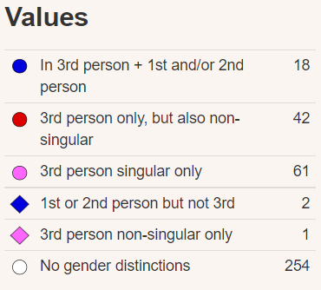
Feature 44A: Gender Distinctions in Independent Personal Pronouns

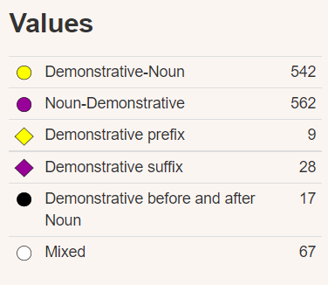
Feature 88A: Order of Demonstrative and Noun

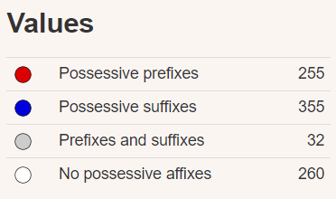
Feature 57A: Position of Pronominal Possessive Affixes

Feature 85A: Order of Adposition and Noun Phrase
Balochi has prepositions, postpositions. The former are quite common words such as 'for', 'with', 'in'. Nonetheless, in the reference grammar it is said that postpositions are more numerous | 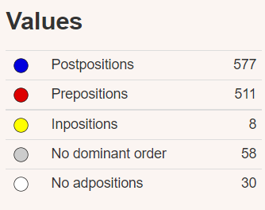

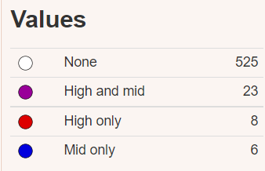
Feature 11A: Front Rounded Vowels

Feature 10A: Vowel Nasalization
Balochi only has vowel nasalization as a phonetic process and not phonemic | 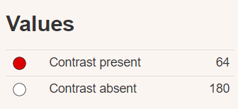
Dimli (Zazaki): page 29-30

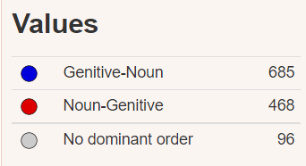
Feature 86A: Order of Genitive and Noun

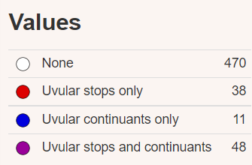
Feature 6A: Uvular Consonants

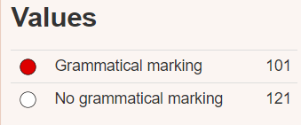
Feature 65A: Perfective/Imperfective Aspect

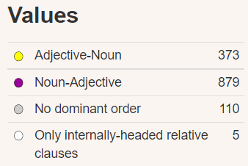
Feature 87A: Order of Adjective and Noun

